Sheet1
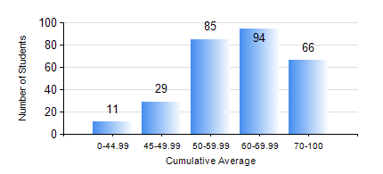
 |  |  | KWAME NKRUMAH UNIVERSITY OF SCIENCE AND TECHNOLOGY, KUMASI Department of Petroleum Engineering

 |  |  | BSC. PETROLEUM ENG.

 |  |  | COMPREHENSIVE RECORD OF EXAMINATION RESULTS

 |  |  | RESULTS OF YEAR 2 FIRST SEMESTER, 2021/2022 ACADEMIC YEAR

 | Sn | Course Code |  | Course Name | Credit Hours | Min. Mark | Max. Mark | Avg. Mark | Std. Dev. | No. Passed | No. Trailed | No. (Df) | No. (I) | No. (I*) | No. Tagged(I,I*,Df) | Total
 | 0. |  |  |  |  |  |  | 0 | 0 | 0 | 0 | 0 | 0 | 0 | 0 | 17
 | 1. | CENG 291 |  | ENGINEERING IN SOCIETY | 2 | 0 | 81 | 57 | 11.71 | 255 | 13 | 0 | 0 | 0 | 0 | 268
 | 2. | MATH 251 |  | DIFFERENTIAL EQUATIONS | 4 | 11 | 93 | 59 | 10.92 | 265 | 3 | 0 | 0 | 0 | 0 | 268
 | 3. | ME 255 |  | STRENGTH OF MATERIALS I | 2 | 12 | 85 | 48 | 12.13 | 234 | 34 | 0 | 0 | 0 | 0 | 268
 | 4. | PE 251 |  | RESERVOIR ENGINEERING I | 3 | 0 | 87 | 49 | 16.12 | 215 | 53 | 0 | 0 | 0 | 0 | 268
 | 5. | PE 253 |  | BASIC GEOLOGY | 2 | 12 | 93 | 70 | 13.75 | 262 | 6 | 0 | 0 | 0 | 0 | 268
 | 6. | PE 255 |  | FLUID MECHANICS | 3 | 10 | 97 | 55 | 22.12 | 227 | 41 | 0 | 0 | 0 | 0 | 268
 | 7. | PE 257 |  | PETROLEUM ENGINEERING THERMODYNAMICS I | 2 | 12 | 87 | 51 | 11.78 | 254 | 14 | 0 | 0 | 0 | 0 | 268
 | 8. | PE 259 |  | SURVIVAL SWIMMING TECHNIQUES | 2 | 0 | 72 | 59 | 8.36 | 265 | 3 | 0 | 0 | 0 | 0 | 268

